Instructions

SAP 10 New Technology (Appendix Q) Data entry and calculation procedure for Smart Hot Water Tank with PV diverter
Background
This technology consists of a hot water tank with a PV diverter and a control system which seeks to maximise solar input.
The two main benefits of the smart hot water tank over conventional tanks are:
1. The smart hot water tank allows a user to choose the volume of the tank to be heated to the temperature set-point by the water heating system, ensuring the remainder is available for heating via the PV diverter. Thus the smart tank can maintain a lower average state of charge due to a combination of its top-fill arrangement (maintaining stratification) and rapid rate of heat recovery. The smart tank also uses a siphoning arrangement to ensure that 100% of the tank’s capacity is available to a solar PV diverter.
2. The smart tank has reduced losses from not having to completely heat the tank as conventional tanks do.
Procedure
1. Select the correct Smart Hot Water tank system on the 'Select System' tab.
2. Complete steps in 'Dwelling data' tab using SAP Worksheet and installlation checklist. Only enter data in applicable yellow highlighted cells.
3. Enter the calculation procedure results from 'SAP10 Savings' tab into SAP software.
Calculation procedure results are not shown if an input error or inconsistency has been detected as detailed by the error messages at the base of the 'Dwelling data' tab. Please correct any errors or inconsistencies on the appropriate tab.

SAP10 Savings
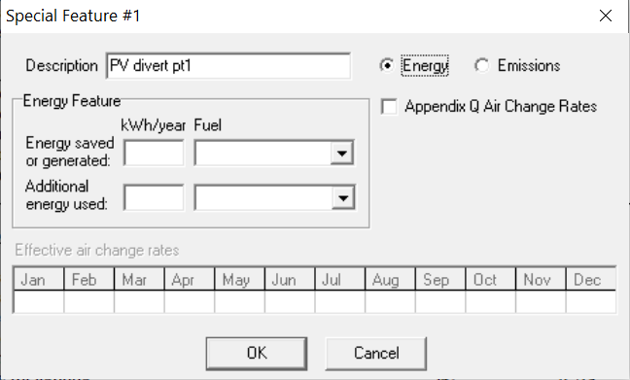
Instructions to SAP 10 assessors
Enter 2 Appendix Q special features, as follows:

Special feature 1
Field | Input
Description | PV diverter pt1
Energy or emissions saving? | Energy
Energy saved or generated | #N/A | kWh/yr
Fuel type saved or generated | 0
Additional energy used | #N/A
Fuel type used | Electricty

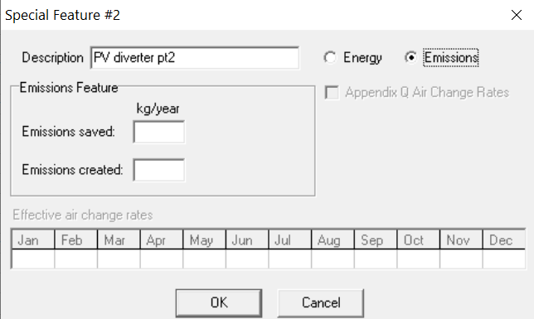
Special feature 2
Field | Input
Description | PV diverter pt2
Energy or emissions saving? | Emissions
Emissions saved | [blank] | kgCO2/yr
Emissions created | #N/A | kgCO2/yr

The interface in the specific software you use will look different to the images to the right, but should have the same input options.

Details
Tank Size
Assumed Occupants | 1.10
pv diverter savings (63b) | 0.00 | 0.00 | 0.00 | 0.00 | 0.00 | 0.00 | 0.00 | 0.00 | 0.00 | 0.00 | 0.00 | 0.00
pv gen - used on site (233a) | 0.00 | 0.00 | 0.00 | 0.00 | 0.00 | 0.00 | 0.00 | 0.00 | 0.00 | 0.00 | 0.00 | 0.00 | 0.00
pv export (233b) | 0.00 | 0.00 | 0.00 | 0.00 | 0.00 | 0.00 | 0.00 | 0.00 | 0.00 | 0.00 | 0.00 | 0.00 | 0.00
pv generation total | 0.00 | 0.00 | 0.00 | 0.00 | 0.00 | 0.00 | 0.00 | 0.00 | 0.00 | 0.00 | 0.00 | 0.00 | 0.00

heat req (62) | 0.00 | 0.00 | 0.00 | 0.00 | 0.00 | 0.00 | 0.00 | 0.00 | 0.00 | 0.00 | 0.00 | 0.00 | 0.00

Available to diverter | 0.00 | 0.00 | 0.00 | 0.00 | 0.00 | 0.00 | 0.00 | 0.00 | 0.00 | 0.00 | 0.00 | 0.00 | 0.00
Available to diverter/ Hot water demand | #DIV/0! | #DIV/0! | #DIV/0! | #DIV/0! | #DIV/0! | #DIV/0! | #DIV/0! | #DIV/0! | #DIV/0! | #DIV/0! | #DIV/0! | #DIV/0!

 | Mixergy |  |  |  |  |  |  |  |  |  |  |  | Sum |  | Standard |  |  |  |  |  |  |  |  |  |  |  | Sum
Diverted ratio | #N/A | #N/A | #N/A | #N/A | #N/A | #N/A | #N/A | #N/A | #N/A | #N/A | #N/A | #N/A |  |  | #N/A | #N/A | #N/A | #N/A | #N/A | #N/A | #N/A | #N/A | #N/A | #N/A | #N/A | #N/A
Hot water requirement (-WWHR) | 0.00 | 0.00 | 0.00 | 0.00 | 0.00 | 0.00 | 0.00 | 0.00 | 0.00 | 0.00 | 0.00 | 0.00
Diverted savings | #N/A | #N/A | #N/A | #N/A | #N/A | #N/A | #N/A | #N/A | #N/A | #N/A | #N/A | #N/A |  |  | #N/A | #N/A | #N/A | #N/A | #N/A | #N/A | #N/A | #N/A | #N/A | #N/A | #N/A | #N/A
Diverted energy | #N/A | #N/A | #N/A | #N/A | #N/A | #N/A | #N/A | #N/A | #N/A | #N/A | #N/A | #N/A | #N/A |  | #N/A | #N/A | #N/A | #N/A | #N/A | #N/A | #N/A | #N/A | #N/A | #N/A | #N/A | #N/A | #N/A
PV electricity exported | #N/A | #N/A | #N/A | #N/A | #N/A | #N/A | #N/A | #N/A | #N/A | #N/A | #N/A | #N/A | #N/A |  | #N/A | #N/A | #N/A | #N/A | #N/A | #N/A | #N/A | #N/A | #N/A | #N/A | #N/A | #N/A | #N/A
Water heating on peak fraction | #N/A
Water heating requirement (on-peak) | #N/A | #N/A | #N/A | #N/A | #N/A | #N/A | #N/A | #N/A | #N/A | #N/A | #N/A | #N/A
Water heating requirement (off-peak) | #N/A | #N/A | #N/A | #N/A | #N/A | #N/A | #N/A | #N/A | #N/A | #N/A | #N/A | #N/A
Diverter saving (on-peak) | #N/A | #N/A | #N/A | #N/A | #N/A | #N/A | #N/A | #N/A | #N/A | #N/A | #N/A | #N/A |  |  | #N/A | #N/A | #N/A | #N/A | #N/A | #N/A | #N/A | #N/A | #N/A | #N/A | #N/A | #N/A
Diverter saving (off-peak) | #N/A | #N/A | #N/A | #N/A | #N/A | #N/A | #N/A | #N/A | #N/A | #N/A | #N/A | #N/A |  |  | #N/A | #N/A | #N/A | #N/A | #N/A | #N/A | #N/A | #N/A | #N/A | #N/A | #N/A | #N/A
Water heater output (on-peak) | #N/A | #N/A | #N/A | #N/A | #N/A | #N/A | #N/A | #N/A | #N/A | #N/A | #N/A | #N/A |  |  | #N/A | #N/A | #N/A | #N/A | #N/A | #N/A | #N/A | #N/A | #N/A | #N/A | #N/A | #N/A
Water heater output (off-peak) | #N/A | #N/A | #N/A | #N/A | #N/A | #N/A | #N/A | #N/A | #N/A | #N/A | #N/A | #N/A |  |  | #N/A | #N/A | #N/A | #N/A | #N/A | #N/A | #N/A | #N/A | #N/A | #N/A | #N/A | #N/A
Increase diverted energy | #N/A | #N/A | #N/A | #N/A | #N/A | #N/A | #N/A | #N/A | #N/A | #N/A | #N/A | #N/A
Water heating delivered energy (on-peak) | #N/A | #N/A | #N/A | #N/A | #N/A | #N/A | #N/A | #N/A | #N/A | #N/A | #N/A | #N/A | #N/A |  | #N/A | #N/A | #N/A | #N/A | #N/A | #N/A | #N/A | #N/A | #N/A | #N/A | #N/A | #N/A | #N/A
Water heating delivered energy (off-peak) | #N/A | #N/A | #N/A | #N/A | #N/A | #N/A | #N/A | #N/A | #N/A | #N/A | #N/A | #N/A | #N/A |  | #N/A | #N/A | #N/A | #N/A | #N/A | #N/A | #N/A | #N/A | #N/A | #N/A | #N/A | #N/A | #N/A

 |  |  |  |  |  |  |  |  |  |  |  |  |  |  |  |  |  |  |  | carbon | pe | cost | carbon | pe | cost
 |  |  |  |  |  |  |  |  |  |  |  | used | PV electricity exported | electricity | #N/A | kwh/year |  |  |  | 0.136 | 0.501 | 5.59 | #N/A | #N/A | #N/A | used
 |  |  |  |  |  |  |  |  |  |  |  | saved | Water heating requirement | mains gas | #N/A | kwh/year |  |  |  | 0.21 | 1.13 | 3.64 | #N/A | #N/A | #N/A | saved
 |  |  |  |  |  |  |  |  |  |  |  |  |  |  |  |  |  |  |  |  |  | overall | #N/A | #N/A | #N/A

 |  |  |  |  |  |  |  |  |  |  |  | used |  | new electricity | #N/A | kwh/year |  |  |  |  |  |  | #N/A
 |  |  |  |  |  |  |  |  |  |  |  | used |  | co2used | #N/A | kg.year |  |  |  |  |  |  | #N/A
 |  |  |  |  |  |  |  |  |  |  |  |  |  |  |  |  |  |  |  | 0.136 | 1.501 | 16.49 | #N/A | #N/A | #N/A | used |  |  | Notes
 |  |  |  |  |  |  |  |  |  |  |  |  |  |  |  |  |  |  |  |  |  |  |  |  |  |  |  |  | Enter a third of electricity used. enter 2/3 of carbon electricity used as an additional special feature. This is to use the smaller PE factor of electricity sold to grid.

 |  |  |  |  |  |  |  |  |  |  |  |  |  |  |  |  | PV electricity exported |  | standard | #N/A | #N/A | #N/A | #N/A | #N/A | #N/A | #N/A | #N/A | #N/A | #N/A | #N/A | #N/A | #N/A
 |  |  |  |  |  |  |  |  |  |  |  |  |  |  |  |  | PV electricity exported |  | mixergy | #N/A | #N/A | #N/A | #N/A | #N/A | #N/A | #N/A | #N/A | #N/A | #N/A | #N/A | #N/A | #N/A
 |  |  |  |  |  |  |  |  |  |  |  |  |  |  |  |  |  |  |  | #N/A | #N/A | #N/A | #N/A | #N/A | #N/A | #N/A | #N/A | #N/A | #N/A | #N/A | #N/A | #N/A
 |  |  |  |  |  |  |  |  |  |  |  |  |  |  |  |  |  |  | electricity sold to grid, PV - carbon | 0.196 | 0.19 | 0.175 | 0.153 | 0.129 | 0.106 | 0.092 | 0.093 | 0.11 | 0.138 | 0.169 | 0.197
 |  |  |  |  |  |  |  |  |  |  |  |  |  |  |  |  |  |  |  | #N/A | #N/A | #N/A | #N/A | #N/A | #N/A | #N/A | #N/A | #N/A | #N/A | #N/A | #N/A | #N/A
 |  |  |  |  |  |  |  |  |  |  |  |  |  |  |  |  |  |  |  |  |  |  |  |  |  |  |  |  |  |  |  | #N/A

Checklist
